Evidence
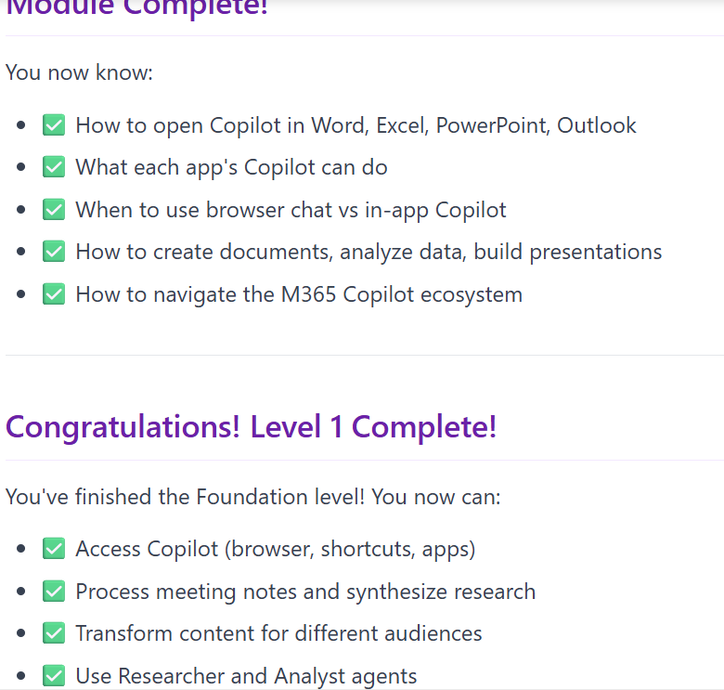
Modul 1.4:- Using Researcher & Analyst Agents

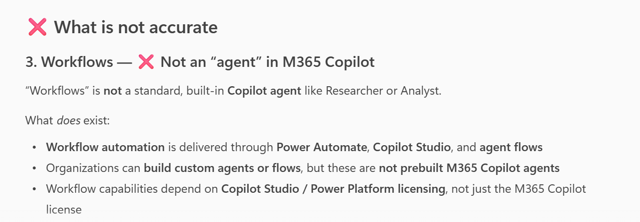
Observation | Evidence from Copilot itself

(Row 29)Module 2.1 Writing PRDs with Copilot
Observation | Evidence from Copilot itself
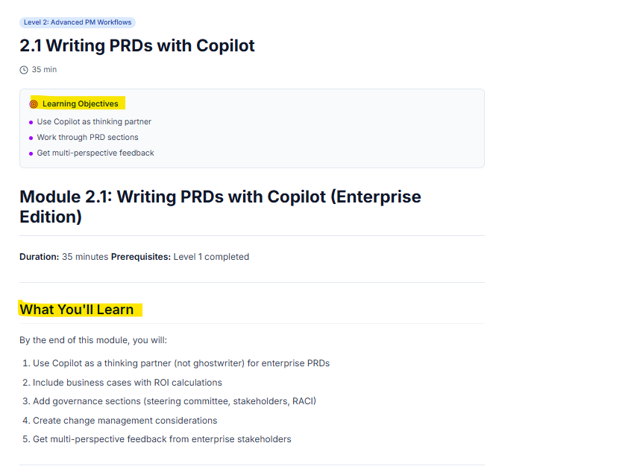
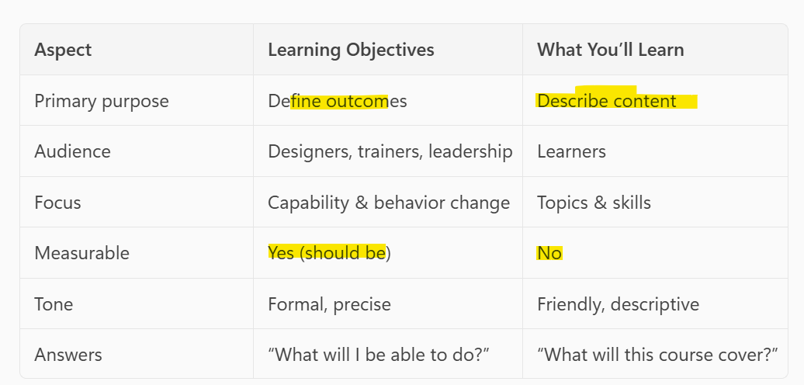

(Row 30)Module 2.1 Writing PRDs with Copilot
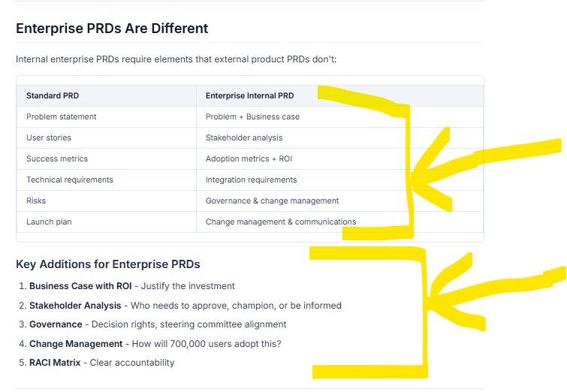

(Row 31)Module 2.1 Writing PRDs with Copilot
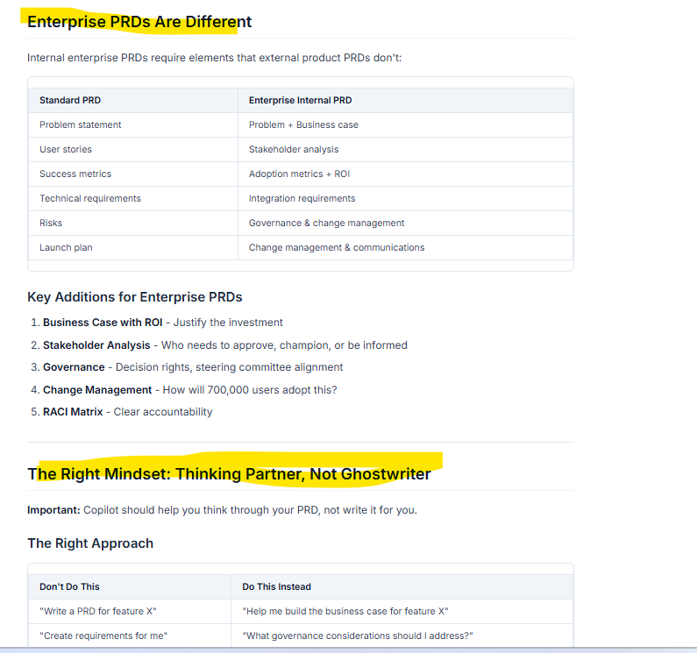

ROW 12
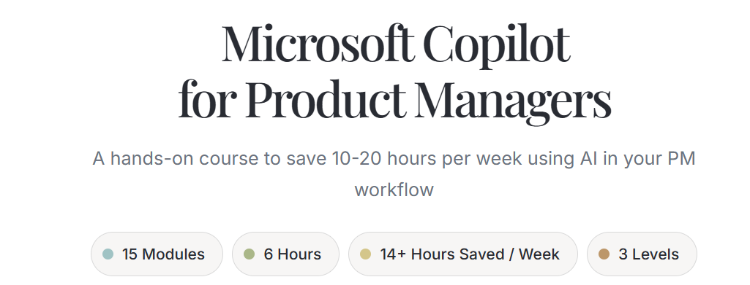
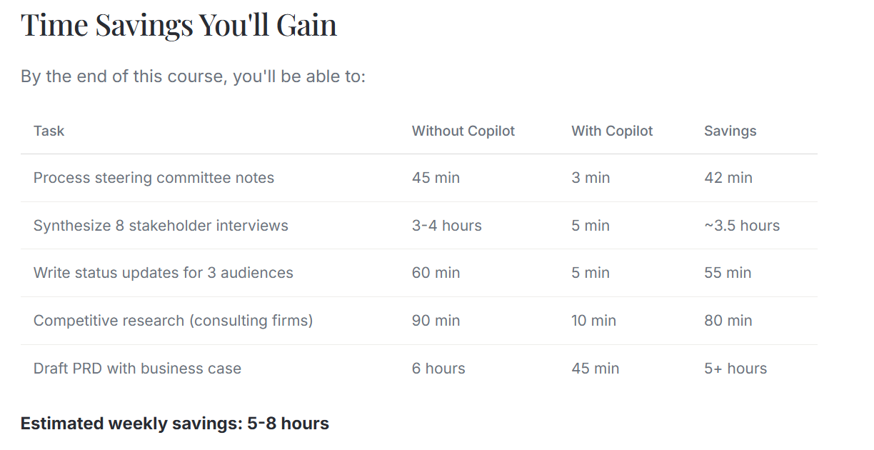

ROW 23

